Cover Page
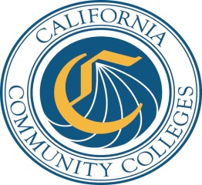

 | Credit
Student Success and Support Program

 | 2015-16

Budget Plan

 | Ventura CCD

 | Moorpark College

Report Due By
Friday
2015-10-30

Email completed budget plan to:
cccsssp@cccco.edu
and
Mail signature page with original signatures to:
Patty Falero, Student Services and Special Programs Division
California Community Colleges Chancellor's Office
1102 Q Street, Suite 4554
Sacramento, CA 95811-6549

