Sheet
 |  | Rank the following 2021-2022 Goals In Order of Your Area/Department's Preference
Dept/Area | Name | Participate in the accreditation process with a focus on collecting and analyzing disaggregated data campus-wide. | Promote the relationship and increase communication with the AFT on academic and professional matters that impact shared governance, academic freedom, professional development, technology, evaluation, and policy guidance. | Support the development of our Ethnic Studies program consistent with the new state-wide graduation requirement. | Encourage increased access to training and innovative technology for faculty that will enhance the students’ learning experience, develop student skills and prepare students for transfer and career opportunities. | Finalize 16-week calendar discussions within the VCCCD. | Support the development and growth of remote work for faculty where appropriate and not otherwise prohibited by the law. | Advocate for increased common gathering areas for students, including safe spaces for student groups and organizations. | Continue to transform the culture of Moorpark College by focusing on racial equity, inclusion, and social justice for students of color and other marginalized student populations. | Advocate for nutritious dining options on campus that nourish better memory, alertness and faster information processing, while also promoting positive social, emotional, and academic outcomes for everyone in our diverse campus community. | Inspire and lead in the transformation of Moorpark College by re-envisioning the future of higher education through engagement with students, classified professionals, administrators, and the community to understand current trends in education and our students’ needs (e.g., modality preferences, mental health, basic needs, equity). | Increase strategic collaboration with students and student organizations to gain perspective, enhance the student experience and inform policies and practices.
Ruth Ann Bennington | Senate Treasurer | 4 | 8 | 9 | 6 | 1 | 10 | 3 | 5 | 2 | 11 | 7
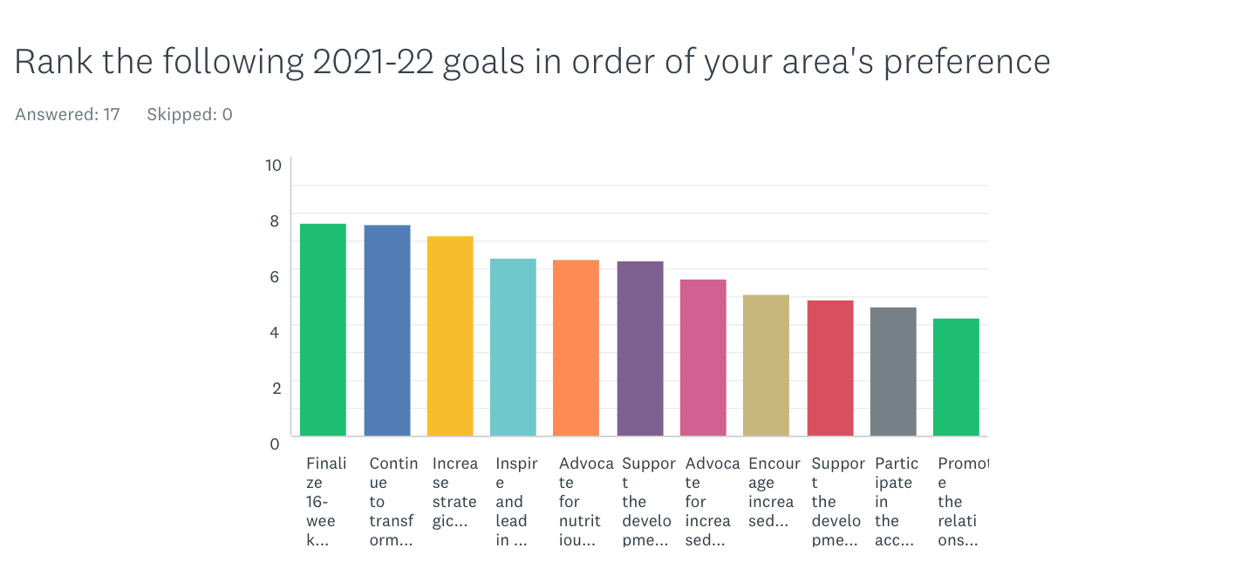
Erika Lizee | Visual Arts Department | 9 | 10 | 7 | 6 | 1 | 4 | 11 | 3 | 2 | 5 | 8
Danielle Vieira | Behavioral Science | 1 | 7 | 4 | 11 | 5 | 3 | 9 | 2 | 8 | 10 | 6
Phillip Abramoff | Mathematics | 11 | 8 | 10 | 6 | 3 | 1 | 4 | 9 | 2 | 7 | 5
Josepha Baca | Business | 8 | 5 | 6 | 7 | 10 | 4 | 9 | 2 | 11 | 1 | 3
Marnie Melendez, Ed.D. | EOPS | 10 | 7 | 5 | 6 | 11 | 4 | 9 | 1 | 8 | 3 | 2
Matt Crater | Kinesiology / Athletics | 3 | 6 | 5 | 10 | 2 | 11 | 7 | 1 | 8 | 9 | 4
Cindy Sheaks-McGowan | CD/EDU | 11 | 9 | 10 | 5 | 7 | 4 | 6 | 3 | 8 | 1 | 2
Jamie Whittington-Studer | Communication Studies & Media Arts | 1 | 11 | 10 | 6 | 2 | 9 | 7 | 3 | 8 | 4 | 5
Tiffany Pawluk | AS Vice-President | 9 | 6 | 11 | 8 | 1 | 3 | 5 | 10 | 4 | 7 | 2
Chuck Brinkman | Counseling | 7 | 4 | 5 | 3 | 2 | 1 | 6 | 11 | 9 | 10 | 8
Roger Putnam | Chemistry and Earth Sciences | 6 | 5 | 8 | 9 | 2 | 11 | 3 | 10 | 1 | 4 | 7
Danielle Kaprelian | Library | 10 | 8 | 7 | 9 | 4 | 11 | 3 | 5 | 2 | 1 | 6
Felix R. Masci | Adjunct Faculty | 5 | 11 | 6 | 3 | 1 | 4 | 8 | 2 | 9 | 10 | 7
Allison Case Barton | Student Health Center | 10 | 9 | 7 | 5 | 11 | 8 | 1 | 3 | 2 | 4 | 6
Chrystin Green | Physics, Engineering, Astronomy, Computer Science Department | 10 | 7 | 3 | 8 | 6 | 5 | 11 | 4 | 9 | 1 | 2
Nicole Block | Secretary | 10 | 11 | 8 | 9 | 5 | 4 | 6 | 1 | 3 | 7 | 2

 | Total | 125 | 132 | 121 | 117 | 74 | 97 | 108 | 75 | 96 | 95 | 82
 | Rank | 10 | 11 | 9 | 8 | 1 | 6 | 7 | 2 | 5 | 4 | 3

 | Rank | Total | Goal
 | 1 | 74 | Finalize 16-week calendar discussions within the VCCCD
 | 2 | 75 | Continue to transform the culture of Moorpark College by focusing on racial equity, inclusion, and social justice for students of color and other marginalized student populations.
 | 3 | 82 | Increase strategic collaboration with students and student organizations to gain perspective, enhance the student experience and inform policies and practices.
 | 4 | 95 | Inspire and lead in the transformation of Moorpark College by re-envisioning the future of higher education through engagement with students, classified professionals, administrators, and the community to understand current trends in education and our students’ needs (e.g., modality preferences, mental health, basic needs, equity).
 | 5 | 96 | Advocate for nutritious dining options on campus that nourish better memory, alertness and faster information processing, while also promoting positive social, emotional, and academic outcomes for everyone in our diverse campus community.
 | 6 | 97 | Support the development and growth of remote work for faculty where appropriate and not otherwise prohibited by the law.
 | 7 | 108 | Advocate for increased common gathering areas for students, including safe spaces for student groups and organizations.
 | 8 | 117 | Encourage increased access to training and innovative technology for faculty that will enhance the students’ learning experience, develop student skills and prepare students for transfer and career opportunities.
 | 9 | 121 | Support the development of our Ethnic Studies program consistent with the new state-wide graduation requirement.
 | 10 | 125 | Participate in the accreditation process with a focus on collecting and analyzing disaggregated data campus-wide.
 | 11 | 132 | Promote the relationship and increase communication with the AFT on academic and professional matters that impact shared governance, academic freedom, professional development, technology, evaluation, and policy guidance

